Global Renewables Outlook
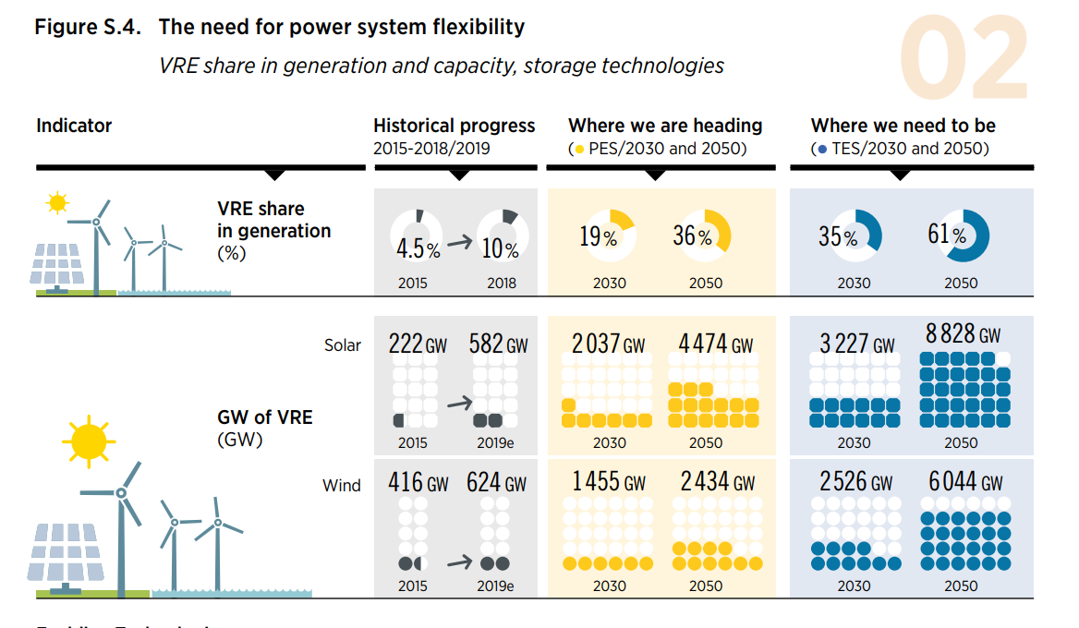
 | 2019 | 2030 | 2050
Solar (GW) | 582 | 2037 | 4474
Wind (GW) | 624 | 1455 | 2434

 | 2019 | 2020 | 2021 | 2022 | 2023 | 2024 | 2025 | 2026 | 2027 | 2028 | 2029 | 2030 | 2031 | 2032 | 2033 | 2034 | 2035 | 2036 | 2037 | 2038 | 2039 | 2040 | 2041 | 2042 | 2043 | 2044 | 2045 | 2046 | 2047 | 2048 | 2049 | 2050
Solar (GW) | 582000 | 714272.72727 | 846545.45455 | 978818.18182 | 1111090.9091 | 1243363.6364 | 1375636.3636 | 1507909.0909 | 1640181.8182 | 1772454.5455 | 1904727.2727 | 2037000 | 2158850 | 2280700 | 2402550 | 2524400 | 2646250 | 2768100 | 2889950 | 3011800 | 3133650 | 3255500 | 3377350 | 3499200 | 3621050 | 3742900 | 3864750 | 3986600 | 4108450 | 4230300 | 4352150 | 4474000
Wind (GW) | 624000 | 699545.45455 | 775090.90909 | 850636.36364 | 926181.81818 | 1001727.2727 | 1077272.7273 | 1152818.1818 | 1228363.6364 | 1303909.0909 | 1379454.5455 | 1455000 | 1503950 | 1552900 | 1601850 | 1650800 | 1699750 | 1748700 | 1797650 | 1846600 | 1895550 | 1944500 | 1993450 | 2042400 | 2091350 | 2140300 | 2189250 | 2238200 | 2287150 | 2336100 | 2385050 | 2434000

IEA 2017 Wind
Table 1
Source - IEA, 2017. "Energy Technology Perspectives 2017 --Catalysing Energy Technology Transformations." https://www.iea.org/etp2017/.
Notes - Data is for the IEA's Reference Technology Scenario (RTS). Cells highlighted blue are values taken directly from the publication. All other values are linearly interpolated.

Table 1 - Global Wind Generation Capacity
Gross electricity capacity (GW) | 2012 | 2013 | 2014 | 2015 | 2016 | 2017 | 2018 | 2019 | 2020 | 2021 | 2022 | 2023 | 2024 | 2025 | 2026 | 2027 | 2028 | 2029 | 2030 | 2031 | 2032 | 2033 | 2034 | 2035 | 2036 | 2037 | 2038 | 2039 | 2040 | 2041 | 2042 | 2043 | 2044 | 2045 | 2046 | 2047 | 2048 | 2049 | 2050
Wind onshore |  |  | 341 | 396 | 452 | 508 | 563 | 619 | 675 | 730 | 786 | 841 | 897 | 953 | 1,006 | 1,058 | 1,111 | 1,164 | 1,217 | 1,265 | 1,313 | 1,361 | 1,409 | 1,457 | 1,494 | 1,531 | 1,568 | 1,605 | 1,642 | 1,676 | 1,710 | 1,744 | 1,778 | 1,812 | 1,864 | 1,917 | 1,969 | 2,021 | 2,073
Wind offshore |  |  | 9 | 10 | 12 | 13 | 15 | 16 | 18 | 19 | 20 | 22 | 23 | 25 | 28 | 30 | 33 | 36 | 38 | 42 | 45 | 48 | 51 | 55 | 59 | 62 | 66 | 70 | 74 | 79 | 84 | 90 | 95 | 100 | 107 | 114 | 121 | 128 | 136

Share of offshore |  |  | 0.025713182458 | 0.025788711713 | 0.025845655146 | 0.025890121409 | 0.025925806485 | 0.025955077777 | 0.025979521858 | 0.026000241869 | 0.026018028619 | 0.026033463808 | 0.026046984867 | 0.026058927065 | 0.02740707324 | 0.028620361485 | 0.029718063115 | 0.030715944543 | 0.031627029432 | 0.032977148047 | 0.03422863339 | 0.035391913084 | 0.036475994894 | 0.03748870044 | 0.03917324183 | 0.040776426658 | 0.042304009748 | 0.043761215662 | 0.045152798404 | 0.047293189315 | 0.049348335288 | 0.051323229444 | 0.053222482417 | 0.055050358289 | 0.057353127431 | 0.059530673644 | 0.061592940856 | 0.063548847283 | 0.065406414361

Table 2
Source - Bloomberg New Energy Finance, 2017. "New Energy Outlook 2017 - Data Viewer"
Notes - This data source is behind a paywall. NEO only takes into account currently adopted policies. It does not include pledges/commitments unless they are backed by policies/regulations.

Table 2 - Global Wind Generation Capacity
Cumulative installed capacity (GW) | 2012 | 2013 | 2014 | 2015 | 2016 | 2017 | 2018 | 2019 | 2020 | 2021 | 2022 | 2023 | 2024 | 2025 | 2026 | 2027 | 2028 | 2029 | 2030 | 2031 | 2032 | 2033 | 2034 | 2035 | 2036 | 2037 | 2038 | 2039 | 2040
Onshore wind | 274 | 307 | 354 | 413 | 466 | 520 | 579 | 637 | 694 | 721 | 755 | 784 | 819 | 853 | 879 | 912 | 950 | 1,008 | 1,077 | 1,146 | 1,245 | 1,350 | 1,453 | 1,557 | 1,651 | 1,738 | 1,817 | 1,909 | 1,978
Offshore wind | 5 | 7 | 8 | 12 | 13 | 18 | 22 | 29 | 36 | 44 | 51 | 58 | 65 | 73 | 80 | 90 | 95 | 102 | 108 | 113 | 122 | 132 | 137 | 141 | 149 | 156 | 164 | 170 | 174

